Sheet1
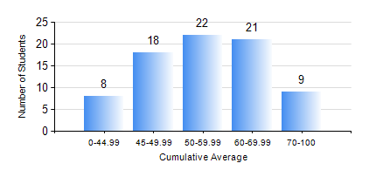
 |  |  | KWAME NKRUMAH UNIVERSITY OF SCIENCE AND TECHNOLOGY, KUMASI Department of Mechanical Engineering

 |  |  | BSC. AUTOMOBILE ENG.

 |  |  | COMPREHENSIVE RECORD OF EXAMINATION RESULTS

 |  |  | RESULTS OF YEAR 1 SECOND SEMESTER, 2024/2025 ACADEMIC YEAR

 | Sn | Course Code |  | Course Name | Credit Hours | Min. Mark | Max. Mark | Avg. Mark | Std. Dev. | No. Passed | No. Trailed | No. (Df) | No. (I) | No. (I*) | No. Tagged(I,I*,Df) | Total
 | 0. |  |  |  |  |  |  | 0 | 0 | 0 | 0 | 0 | 0 | 0 | 0 | 1
 | 1. | AME 156 |  | BASIC THERMODYNAMICS | 2 | 30 | 80 | 51 | 13.83 | 64 | 12 | 0 | 1 | 0 | 1 | 77
 | 2. | EE 152 |  | BASIC ELECTRONICS | 3 | 23 | 86 | 51 | 16.27 | 61 | 14 | 0 | 2 | 0 | 2 | 77
 | 3. | ENGL 158 |  | COMMUNICATION SKILLS II | 2 | 28 | 74 | 57 | 11.1 | 70 | 6 | 0 | 1 | 0 | 1 | 77
 | 4. | MATH 152 |  | CALCULUS WITH ANALYSIS | 4 | 44 | 79 | 60 | 6.7 | 76 | 0 | 0 | 1 | 0 | 1 | 77
 | 5. | ME 160 |  | ENGINEERING DRAWING | 3 | 30 | 80 | 51 | 11.52 | 70 | 6 | 0 | 1 | 0 | 1 | 77
 | 6. | ME 164 |  | ENGINEERING MECHANICS I:STATICS | 2 | 50 | 95 | 65 | 12.18 | 76 | 0 | 0 | 1 | 0 | 1 | 77
 | 7. | ME 174 |  | PRODUCT DESIGN AND MANUFACTURING | 2 | 13 | 79 | 60 | 11.5 | 73 | 2 | 1 | 1 | 0 | 2 | 77

